Sustainable Development Goals
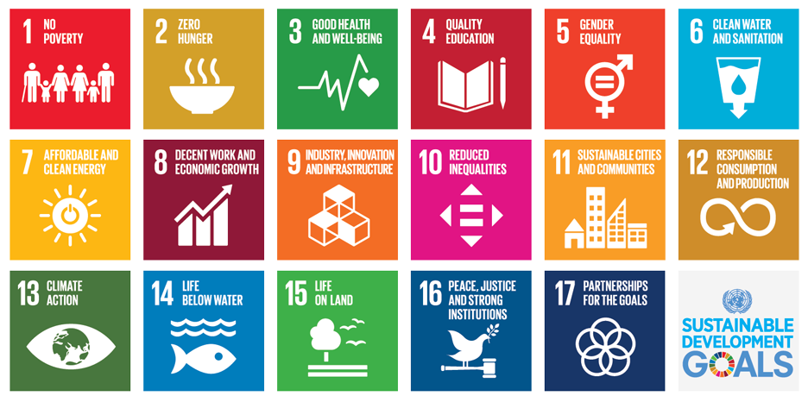

FWAG total energy requirement
FWAG electricity requirements 2017- 2022 | 2017 | 2018 | 2019 | 2020 | 2021 | 2022
in MWh | 93,358 | 94,739 | 91,855 | 66,583 | 67,173 | 79,501
in kWh/Traffic units (TU) | 3.52 | 3.24 | 2.72 | 7.13 | 5.54 | 3.13

FWAG electricity requirements in MWh

FWAG total energy requirements
FWAG total energy requirements | 2017 | 2018 | 2019 | 2020 | 2021 | 2022
in MWh | 178,395 | 176,918 | 177,277 | 121,722 | 124,266 | 138,675
in kWh/Traffic unit (TU) | 6.73 | 6.05 | 5.26 | 13.03 | 10.25 | 5.47

FWAG total energy requirements in MWh

FWAG CO2 emissions in tonnes
FWAG: CO2 emissions | 2017 | 2018 | 2019 | 2020 | 2021 | 2022
in tonnes | 29,784 | 19,952 | 19,612 | 12,301 | 12,911 | 7,567
in kg/TU | 1.12 | 0.68 | 0.58 | 1.32 | 1.06 | 0.30

FWAG: CO2 emissions

